1. Title Page
Instacart Grocery Basket Analysis

Project Name: Instacart Grocery Basket Analysis
Date: 10/24
Analyst Name: Mariah Hunter

Contents:
Population Flow
Consistency checks
Wrangling steps
Column derivations
Visualizations
Recommendations

Data Source: “The Instacart Online Grocery Shopping Dataset 2017”, Accessed from www.instacart.com/datasets/grocery-shopping-2017 via Kaggle

2. Population Flow
Title page

Population flow

Exclusion flag
Condition: max_order <
Obervations to be removed:
Final total count of order_products_all:

Orders_products_combined
Orders_products_merged
Orders_products_all

Total: 32436241
Total: 32434489
Total: 32436241

1.) The grey boxes in the first row of the population flow represent the original data sets as they were when you downloaded them. In the Total fields you need to add the count of the rows when you imported the data set into Jupyter.
2.) The second row of boxes (coloured) represents the data sets after you manipulated them, e.g., removed missing values and duplicates. In the Total fields you need to add the count of the rows after conducting these operations. This offers a visual oveview of how the data flows throughout the data consistency checks.
3.) The third row, where also the arrows are coloured, represents the merges you performed between the datasets. In the Total fields you need to add the count of the rows in the merged datasets, so that you end up with the final dataset (in the red box). Keep in mind the final dataset should be without exclusions (based on the exclusion flag).

3. Consistency checks
 |  |  |  | Title page
Consistency checks

Dataset | Missing values | Missing values treatment | Duplicates
orders | 206209 null 'days_since_prior_order' values found | Records with null values kept | No duplicates found
products | 16 null 'product_name' values found | Records with null values removed | 5 duplicates found and removed
orders_products_prior | No missing values found | No action taken | No duplicates found
customers | 11259 null 'First_Name' values found | Records with null values kept | No duplicates found

4. Wrangling steps
 |  |  |  | Title page
Wrangling steps

Columns dropped | Columns renamed | Columns' type changed | Comment/Reason
Eval_Set |  |  | unecessary
 | order_dow |  | clarity (orders_day_of_week)
 | order_hour_of_day |  | task step(hour_order_placed)
 |  | Order ID | changed to string
 |  | User ID | changed to string
First_Name |  |  | PII
Surname |  |  | PII
 | unnamed to department_id |  | clarity (department_id)

5. Column derivations
 |  |  |  | Title page

Column derivations and aggregations

In this tab you should add tables below that the frequences of flags/label variables that you produced after deriving them. NB: don't do this for continuous variables, only for flags.
Dataset | New column | Column/s it was derived from | Conditions
ords_prods_merge_updated.pkl | loyalty_flag | max_order | max_order>40 = 'loyal customer' max_order<=40 & max_order>10 = 'regular customer' max_order<=10 = 'new customer'
ords_prods_merge_updated.pkl | spend_flag | avg_spend | avg_spend<10 = 'low spender' avg_spend>=10 = 'high spender'
ords_prods_merge_updated.pkl | frequency_flag | order_frequency | order_frequency>20 = 'frequent customer' order_frequency<= 20 & order_frequency>10 = 'regular customer' order_frequency<10 = 'non-frequent customer'
custs_ords_prods.pkl | activity_flag | max_order | max_order< 5 = 'low-activity customer' max_order >= 5 = 'high-activity customer'

6. Visualizations
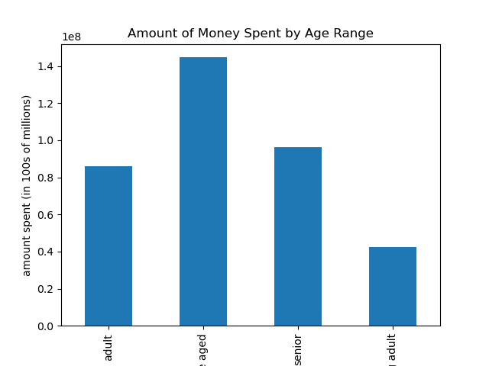
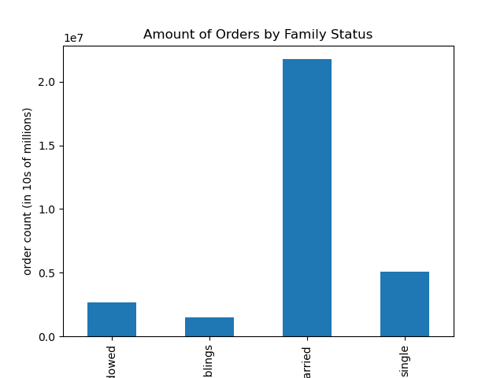
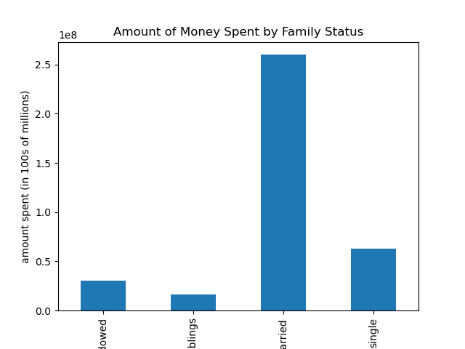
 |  | Title page

Visualisations

In this tab you should include all the visualisations from Exercises 4.9 and 4.10, alongside the questions from the project brief that they answer. Include any commentary on the relationship between different variables.

The sales team needs to know what the busiest days of the week and hours of the day are (i.e., the days and times with the most orders) in order to schedule ads at times when there are fewer orders.
The busiest days of the week are Friday and Saturday (days 6 and 0). The busiest hours are the 10th, 11th, and 15th hour.
1 | 2 |  | 3

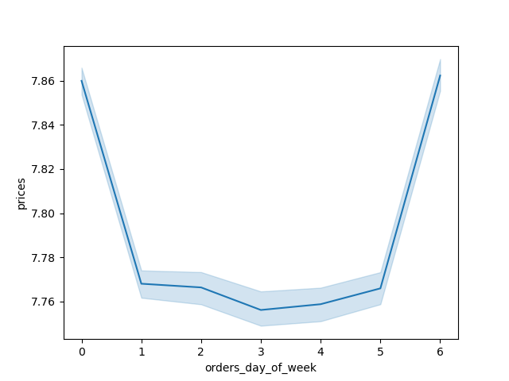


They also want to know whether there are particular times of the day when people spend the most money, as this might inform the type of products they advertise at these times.
Users spent the most during the 10th, 11th, and 15th hour.
4
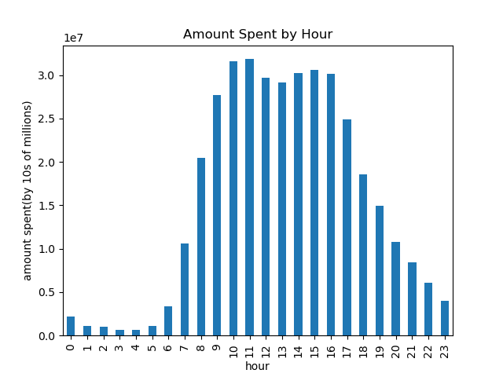

Are there certain types of products that are more popular than others? The marketing and sales teams want to know which departments have the highest frequency of product orders.
Produce, dairy eggs, and snacks have the highest order frequencies.
5
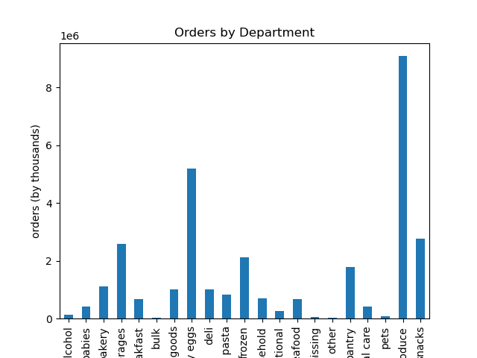

What’s the distribution among users in regards to their brand loyalty (i.e., how often do they return to Instacart)?
Regular customers are the most common type of customer(10-40 orders), followed by loyal customers(40+ orders), and new customers(<10 orders).
6


Are there differences in ordering habits based on a customer’s loyalty status?
Overall, regular customers(10-40 orders) have placed the most orders, followed by loyal customers(+40 orders), and new customers(<10 customers).
7
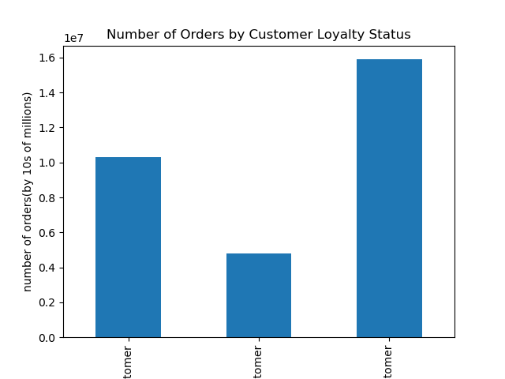

Are there differences in ordering habits based on a customer’s region?
The main difference is the number of orders being placed. The South makes up the biggest segment by region for placed orders.
8
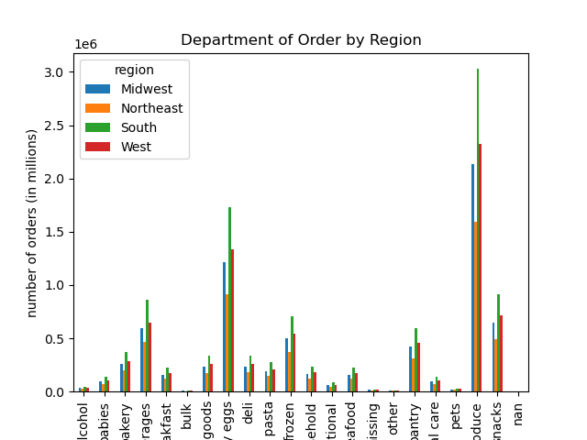

Is there a connection between age and family status in terms of ordering habits?
Age and family status do impact a customer's ordering habits. Middle-aged customers and customers with families are 2 of the biggest user segments. These two segments also make the most orders and spend the most compared to other segments.
9 | 10 |  | 11
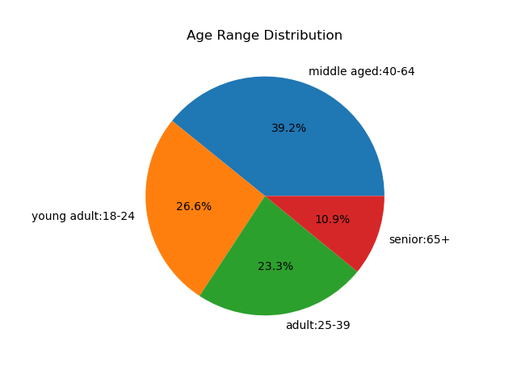
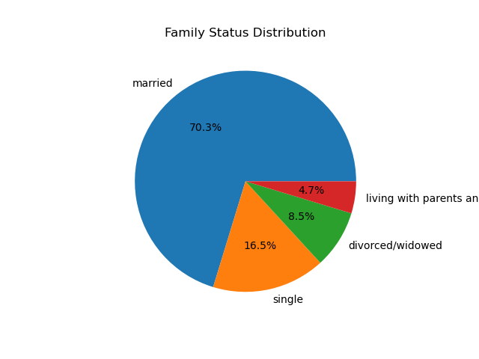


12 | 13 |  | 14

7. Recommendations
 |  | Title page

Recommendations

In this tab you should include any recommendations you would made to Instcart in terms of their marketing strategy based on the questions posed in the brief. Every key question has been covered in the Tasks of the Exercises - here you need to add an item - a visualisation or table/crosstable that is showing the answer in the data, acompanied by a comment from you. Please, list the questions below and add the answer underneath.

Question | Answer
What are the busiest days of the week and hours of the day? | The busiest days of the week are Friday and Saturday (days 6 and 0). The busiest hours are the 10th, 11th, and 15th hour. My recommendations would be to focus on encouraging customers to place orders on the 3rd and 4th days, and during the 1st and 5th hour, as these days and times have the lowest order frequency. This is supported by the 1st, 2nd, and 3rd visuals in the Visualizations tab.
Are there are particular times of the day when people spend the most money? | Users spent the most during the 10th, 11th, and 15th hour. My recommendation is a continuation of my previous recommendation to increase order frequency. Increasing order frequency would also increase spend. This is supported by the 4th visual in the Visualizations tab.
Sort product prices into simpler price range groupings. | Product prices have been sorted into 3 categories (low-, mid-, and high-range) using the product_price_loc variable.
Which departments have the highest frequency of product orders? | Produce, dairy eggs, and snacks have the highest order frequencies. My recommendation would be to run promotions to encourage spending in less popular categories This is supported by the 5th visual in the Visualizations tab.
What’s the distribution among users in regards to their brand loyalty (i.e., how often do they return to Instacart)? | Regular customers are the most common type of customer(10-40 orders), followed by loyal customers(40+ orders), and new customers(<10 orders). My recommendation is to incentivise new customers to make more orders, with a focus on customers who haven't made any purchases recently. This is supported by the 6th visual in the Visualizations tab.
Are there differences in ordering habits based on a customer’s loyalty status? | Overall, regular customers(10-40 orders) have placed the most orders, followed by loyal customers(+40 orders), and new customers(<10 customers). My recommendation is a continuation of my previous recommendation to focus on new customers. If they make more purchases, their ordering habits will improve. This is supported by the 7th visual in the Visualizations tab.
Are there differences in ordering habits based on a customer’s region? | The main difference is the number of orders being placed. The South makes up the biggest segment by region for placed orders. My recommedation would be to incentivise users from the Northeast region to place more orders, as that region has the lowest amounts of orders. This is supported by the 8th visual in the Visualizations tab.
Is there a connection between age and family status in terms of ordering habits? | Age and family status do impact a customer's ordering habits. Middle-aged customers and customers with families are 2 of the biggest user segments. These two segments also make the most orders and spend the most compared to other segments. My recommendation would be to encourage purchases from young and single adults. Young adults make the fewest orders and spend the least. And it's likely that a single adults would have more disposable income. This is supported by the 9th, 10th, 11th, 12th, 13th, 14th visuals in the Visualizations tab.
What different classifications does the demographic information suggest? Age? Income? Certain types of goods? Family status? | The demographic information suggests that the main classifications center around user's age range, income range, family status. These classifications are the main variables that impact how many times someone orders, and how much they spend. The users making the most orders and spending the most are most likely making purchases for their entire household, not just themselves. This would explain their frequency and expenditure. My recommendation would be to target single adults and higher-income adults, both groups with lower order frequencies.
What differences can you find in ordering habits of different customer profiles? | Middle-aged, middle income, married customers with a family and dependants make up a sizable portion of the user base and make the nost orders when compared to other profiles. My recommendation would be to promote purchases from departments that would likely appeal to customers in with profiles that place fewer orders.

